Dashboard
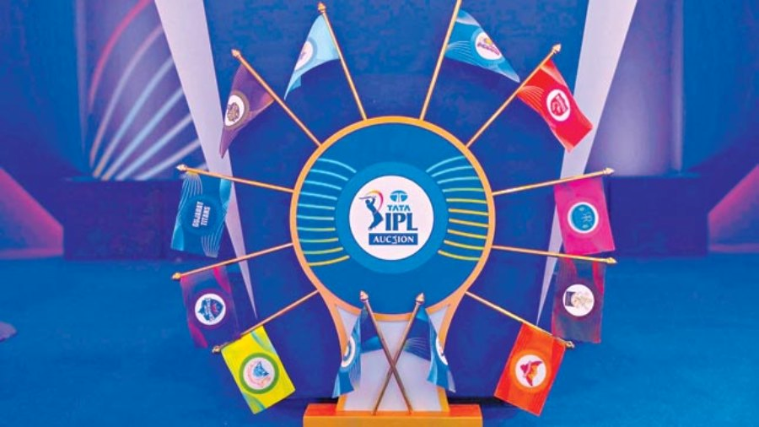
INDIAN PREMIUR LEAGUE ANALYSIS
Season
IPL-2014
Winner
Kolkata Knight Riders
Player of Series
Glenn Maxwell
Runner Up
Kings XI Punjab

Matches Win wrt to Toss result
 | bat | field
Chennai Super Kings | 4 | 6
Royal Challengers Bangalore | 2 | 7
Kolkata Knight Riders | 2 | 7
Kings XI Punjab | 1 | 6
Sunrisers Hyderabad | 4 | 3
Rajasthan Royals | 1 | 6
Mumbai Indians | 3 | 3
Delhi Daredevils | 1 | 3
Toss decission based winning %
 | Total
bat | 30.51%
field | 69.49%
Top venues where win wrt to toss win
 | bat | field
Eden Gardens |  | 4
Sardar Patel Stadium, Motera | 1 | 3
Rajiv Gandhi International Stadium, Uppal | 3 | 1
JSCA International Stadium Complex | 3 | 1
Feroz Shah Kotla | 1 | 4
M Chinnaswamy Stadium | 1 | 5
Sharjah Cricket Stadium | 2 | 4
Sheikh Zayed Stadium | 3 | 3
Wankhede Stadium | 1 | 5
Dubai International Cricket Stadium | 3 | 4

Total MoM by Bestman
 | Total
GJ Maxwell | 4
RA Jadeja | 3
Sandeep Sharma | 3
RV Uthappa | 3
DR Smith | 3
MEK Hussey | 2
DA Warner | 2
PV Tambe | 2
CJ Anderson | 2
B Kumar | 2
UT Yadav | 2
SK Raina | 2
G Gambhir | 2
AM Rahane | 2
AB de Villiers | 2

winning %
Row Labels | Count of winner
bat | 30.51%
field | 69.49%
Grand Total | 100.00%
Toss decission based winning %

top venue win
Top venues where win wrt to toss win
 | bat | field
Eden Gardens |  | 4
Sardar Patel Stadium, Motera | 1 | 3
Rajiv Gandhi International Stadium, Uppal | 3 | 1
JSCA International Stadium Complex | 3 | 1
Feroz Shah Kotla | 1 | 4
M Chinnaswamy Stadium | 1 | 5
Sharjah Cricket Stadium | 2 | 4
Sheikh Zayed Stadium | 3 | 3
Wankhede Stadium | 1 | 5
Dubai International Cricket Stadium | 3 | 4
Count of winner | Column Labels
Row Labels | bat | field | Grand Total
Eden Gardens |  | 4 | 4
Sardar Patel Stadium, Motera | 1 | 3 | 4
Rajiv Gandhi International Stadium, Uppal | 3 | 1 | 4
JSCA International Stadium Complex | 3 | 1 | 4
Feroz Shah Kotla | 1 | 4 | 5
M Chinnaswamy Stadium | 1 | 5 | 6
Sharjah Cricket Stadium | 2 | 4 | 6
Sheikh Zayed Stadium | 3 | 3 | 6
Wankhede Stadium | 1 | 5 | 6
Dubai International Cricket Stadium | 3 | 4 | 7
Grand Total | 18 | 34 | 52

top 10 MoM
Row Labels | Count of player_of_match
GJ Maxwell | 4
RA Jadeja | 3
Total MoM by Bestman
Sandeep Sharma | 3
RV Uthappa | 3
DR Smith | 3
MEK Hussey | 2
DA Warner | 2
PV Tambe | 2
CJ Anderson | 2
B Kumar | 2
UT Yadav | 2
SK Raina | 2
G Gambhir | 2
AM Rahane | 2
AB de Villiers | 2
Grand Total | 36

KPIs
Row Labels |  |  | Season | Winner | Player of the Series | Man of the Match | Runner Up
IPL-2014 |  |  | IPL-2014 | Kolkata Knight Riders | Glenn Maxwell | Manish Pandey | Kings XI Punjab
Grand Total

Season

 | Year | Season | Winner | Player of the Series | Man of the Match | Runner Up
 | 2020 | IPL-2020 | Mumbai Indians | Jofra Archer | Trent Boult | Delhi Capitals
 | 2019 | IPL-2019 | Mumbai Indians | Andre Russell | Jasprit Bumrah | Chennai Super Kings
 | 2018 | IPL-2018 | Chennai Super Kings | Sunil Narine | Shane Watson | Sunrisers Hyderabad
 | 2017 | IPL-2017 | Mumbai Indians | Ben Stokes | Krunal Pandya | Rising Pune Supergiant
 | 2016 | IPL-2016 | Sunrisers Hyderabad | Virat Kohli | Ben Cutting | Royal Challengers Bangalore
 | 2015 | IPL-2015 | Mumbai Indians | Andre Russell | Rohit Sharma | Chennai Super Kings
 | 2014 | IPL-2014 | Kolkata Knight Riders | Glenn Maxwell | Manish Pandey | Kings XI Punjab
 | 2013 | IPL-2013 | Mumbai Indians | Shane Watson | Kieron Pollard | Chennai Super Kings
 | 2012 | IPL-2012 | Kolkata Knight Riders | Sunil Narine | Manvinder Bisla | Chennai Super Kings
 | 2011 | IPL-2011 | Chennai Super Kings | Chris Gayle | Murali Vijay | Royal Challengers Bangalore
 | 2010 | IPL-2010 | Chennai Super Kings | Sachin Tendulkar | Suresh Raina | Mumbai Indians
 | 2009 | IPL-2009 | Deccan Chargers | Adam Gilchrist | Anil Kumble | Royal Challengers Bangalore
 | 2008 | IPL-2008 | Rajasthan Royals | Shane Watson | Yusuf Pathan | Chennai Super Kings

Team win by toss Decission
Matches Win wrt to Toss result
Count of winner | Column Labels
Row Labels | bat | field | Grand Total
Chennai Super Kings | 4 | 6 | 10
Royal Challengers Bangalore | 2 | 7 | 9
Kolkata Knight Riders | 2 | 7 | 9
Kings XI Punjab | 1 | 6 | 7
Sunrisers Hyderabad | 4 | 3 | 7
Rajasthan Royals | 1 | 6 | 7
Mumbai Indians | 3 | 3 | 6
Delhi Daredevils | 1 | 3 | 4
Grand Total | 18 | 41 | 59

